Title Page
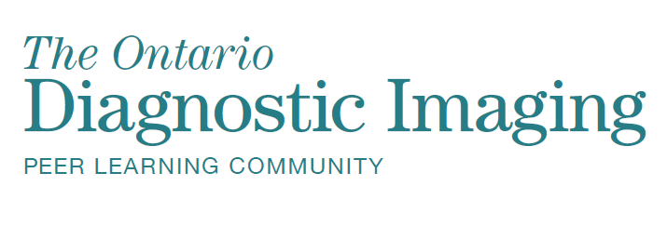
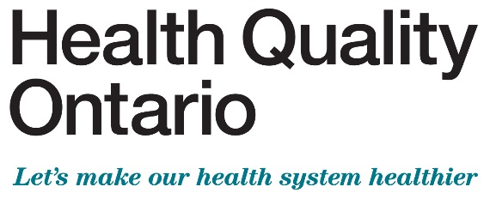

September 2019
Diagnostic Imaging Peer Learning Program

4.3x Cross-organization Discrepancy Management Table

